rainbow elev vs theta
Descartes' ray model of a spherical raindrop
DESCARTES' MODEL OF A RAINBOW
Dr Andrew French. July 2020

 |  | PRIMARY BOW |  |  |  |  |  |  |  | SECONDARY BOW

 |  | Red | Orange | Yellow | Green | Cyan | Blue | Violet |  | Red | Orange | Yellow | Green | Cyan | Blue | Violet
 | f/THz | 442.5 | 495 | 520 | 565 | 610 | 650 | 735 | f/THz | 442.5 | 495 | 520 | 565 | 610 | 650 | 735
 | n | 1.3310 | 1.3321 | 1.3327 | 1.3338 | 1.3350 | 1.3362 | 1.3390 | n | 1.3310 | 1.3321 | 1.3327 | 1.3338 | 1.3350 | 1.3362 | 1.3390

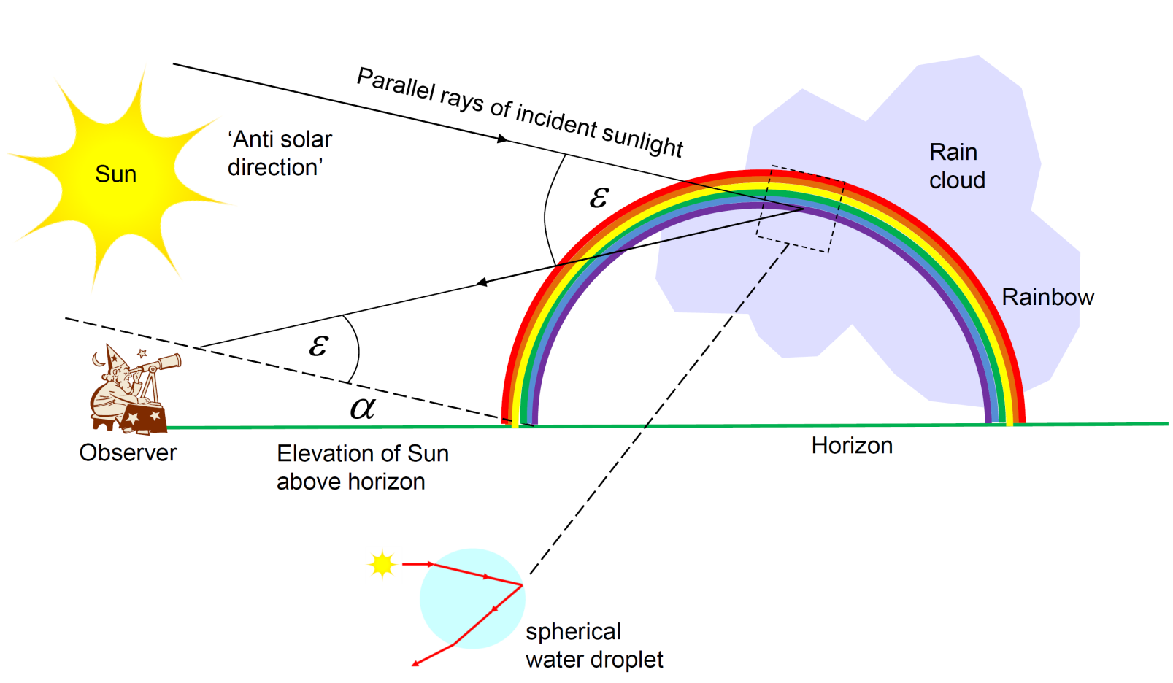
theta /deg | theta /rad | epsilon /deg | epsilon /deg | epsilon /deg | epsilon /deg | epsilon /deg | epsilon /deg | epsilon /deg |  | epsilon /deg | epsilon /deg | epsilon /deg | epsilon /deg | epsilon /deg | epsilon /deg | epsilon /deg
0 | 0.00 | 0.00 | 0.00 | 0.00 | 0.00 | 0.00 | 0.00 | 0.00 |  | 180.00 | 180.00 | 180.00 | 180.00 | 180.00 | 180.00 | 180.00
1 | 0.02 | 1.01 | 1.00 | 1.00 | 1.00 | 1.00 | 0.99 | 0.99 |  | 177.49 | 177.50 | 177.50 | 177.50 | 177.51 | 177.51 | 177.52
2 | 0.03 | 2.01 | 2.00 | 2.00 | 2.00 | 1.99 | 1.99 | 1.97 |  | 174.98 | 174.99 | 175.00 | 175.00 | 175.01 | 175.02 | 175.04
3 | 0.05 | 3.01 | 3.01 | 3.00 | 2.99 | 2.99 | 2.98 | 2.96 |  | 172.48 | 172.49 | 172.50 | 172.51 | 172.52 | 172.53 | 172.56
4 | 0.07 | 4.02 | 4.01 | 4.00 | 3.99 | 3.98 | 3.97 | 3.94 |  | 169.97 | 169.99 | 170.00 | 170.01 | 170.03 | 170.05 | 170.08
5 | 0.09 | 5.02 | 5.01 | 5.00 | 4.99 | 4.97 | 4.96 | 4.93 |  | 167.47 | 167.49 | 167.50 | 167.52 | 167.54 | 167.56 | 167.61
6 | 0.10 | 6.02 | 6.00 | 5.99 | 5.98 | 5.96 | 5.95 | 5.91 |  | 164.97 | 165.00 | 165.01 | 165.03 | 165.06 | 165.08 | 165.14
7 | 0.12 | 7.01 | 7.00 | 6.99 | 6.97 | 6.95 | 6.93 | 6.89 |  | 162.48 | 162.51 | 162.52 | 162.55 | 162.57 | 162.60 | 162.67
8 | 0.14 | 8.01 | 7.99 | 7.98 | 7.96 | 7.94 | 7.91 | 7.86 |  | 159.99 | 160.02 | 160.03 | 160.06 | 160.10 | 160.13 | 160.21
9 | 0.16 | 9.00 | 8.98 | 8.96 | 8.94 | 8.92 | 8.89 | 8.84 |  | 157.50 | 157.54 | 157.55 | 157.59 | 157.63 | 157.66 | 157.75
10 | 0.17 | 9.99 | 9.96 | 9.95 | 9.92 | 9.89 | 9.87 | 9.80 |  | 155.02 | 155.06 | 155.08 | 155.12 | 155.16 | 155.20 | 155.29
11 | 0.19 | 10.97 | 10.94 | 10.93 | 10.90 | 10.87 | 10.84 | 10.77 |  | 152.55 | 152.59 | 152.61 | 152.65 | 152.70 | 152.74 | 152.85
12 | 0.21 | 11.95 | 11.92 | 11.90 | 11.87 | 11.84 | 11.81 | 11.73 |  | 150.08 | 150.12 | 150.15 | 150.19 | 150.24 | 150.29 | 150.41
13 | 0.23 | 12.92 | 12.89 | 12.87 | 12.84 | 12.80 | 12.77 | 12.68 |  | 147.62 | 147.67 | 147.69 | 147.74 | 147.80 | 147.85 | 147.97
14 | 0.24 | 13.89 | 13.85 | 13.84 | 13.80 | 13.76 | 13.72 | 13.63 |  | 145.17 | 145.22 | 145.25 | 145.30 | 145.36 | 145.41 | 145.55
15 | 0.26 | 14.85 | 14.81 | 14.79 | 14.76 | 14.71 | 14.67 | 14.58 |  | 142.72 | 142.78 | 142.81 | 142.87 | 142.93 | 142.99 | 143.13
Descartes' ray model of a spherical raindrop
16 | 0.28 | 15.81 | 15.77 | 15.75 | 15.71 | 15.66 | 15.62 | 15.52 |  | 140.29 | 140.35 | 140.38 | 140.44 | 140.51 | 140.57 | 140.73
17 | 0.30 | 16.76 | 16.71 | 16.69 | 16.65 | 16.60 | 16.56 | 16.45 |  | 137.86 | 137.93 | 137.96 | 138.03 | 138.10 | 138.17 | 138.33
18 | 0.31 | 17.70 | 17.65 | 17.63 | 17.58 | 17.53 | 17.49 | 17.37 |  | 135.45 | 135.52 | 135.55 | 135.62 | 135.70 | 135.77 | 135.94
19 | 0.33 | 18.63 | 18.59 | 18.56 | 18.51 | 18.46 | 18.41 | 18.29 |  | 133.05 | 133.12 | 133.16 | 133.23 | 133.31 | 133.39 | 133.57
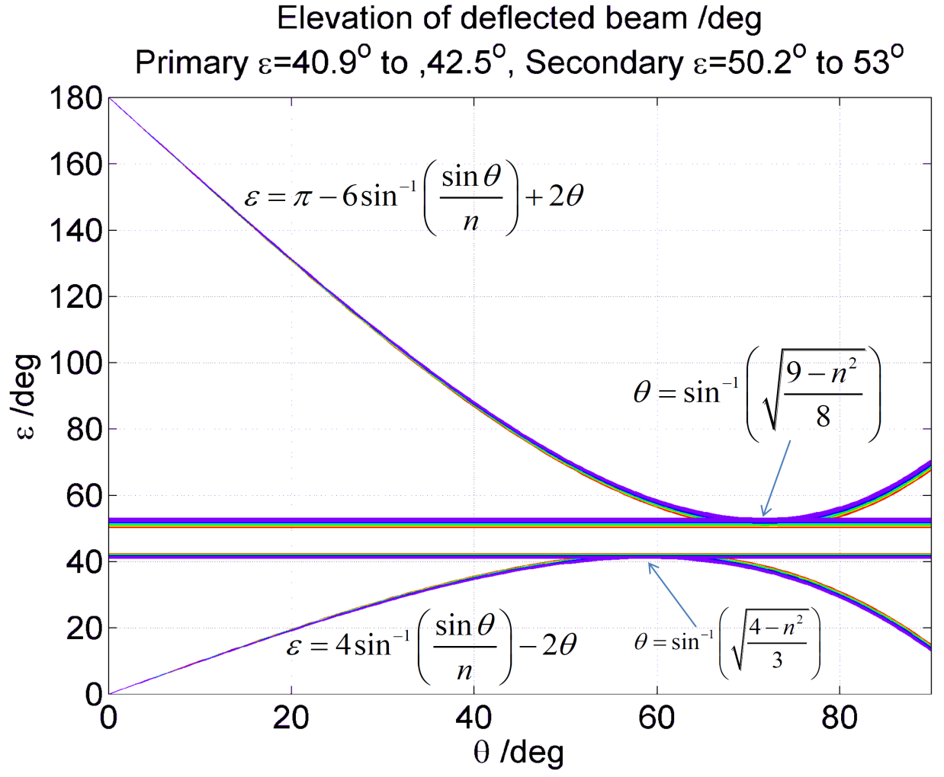
20 | 0.35 | 19.56 | 19.51 | 19.48 | 19.43 | 19.38 | 19.32 | 19.19 |  | 130.66 | 130.74 | 130.78 | 130.85 | 130.94 | 131.02 | 131.21
21 | 0.37 | 20.48 | 20.42 | 20.40 | 20.34 | 20.28 | 20.23 | 20.09 |  | 128.28 | 128.36 | 128.40 | 128.49 | 128.57 | 128.66 | 128.86
22 | 0.38 | 21.39 | 21.33 | 21.30 | 21.24 | 21.18 | 21.12 | 20.98 |  | 125.92 | 126.00 | 126.05 | 126.13 | 126.23 | 126.31 | 126.53
23 | 0.40 | 22.29 | 22.23 | 22.20 | 22.14 | 22.07 | 22.01 | 21.86 |  | 123.57 | 123.66 | 123.71 | 123.79 | 123.89 | 123.98 | 124.21
24 | 0.42 | 23.17 | 23.11 | 23.08 | 23.02 | 22.95 | 22.89 | 22.73 |  | 121.24 | 121.33 | 121.38 | 121.47 | 121.57 | 121.67 | 121.90

25 | 0.44 | 24.05 | 23.99 | 23.95 | 23.89 | 23.82 | 23.75 | 23.59 |  | 118.92 | 119.02 | 119.07 | 119.16 | 119.27 | 119.37 | 119.61
26 | 0.45 | 24.92 | 24.85 | 24.82 | 24.75 | 24.68 | 24.61 | 24.44 |  | 116.62 | 116.72 | 116.77 | 116.87 | 116.99 | 117.09 | 117.34
27 | 0.47 | 25.77 | 25.70 | 25.67 | 25.60 | 25.52 | 25.45 | 25.27 |  | 114.34 | 114.44 | 114.50 | 114.60 | 114.72 | 114.83 | 115.09
28 | 0.49 | 26.62 | 26.54 | 26.51 | 26.43 | 26.35 | 26.28 | 26.10 |  | 112.08 | 112.18 | 112.24 | 112.35 | 112.47 | 112.58 | 112.86
29 | 0.51 | 27.44 | 27.37 | 27.33 | 27.26 | 27.17 | 27.09 | 26.91 |  | 109.83 | 109.95 | 110.00 | 110.12 | 110.24 | 110.36 | 110.64
30 | 0.52 | 28.26 | 28.18 | 28.14 | 28.06 | 27.98 | 27.90 | 27.70 |  | 107.61 | 107.73 | 107.79 | 107.90 | 108.03 | 108.16 | 108.45
31 | 0.54 | 29.06 | 28.98 | 28.94 | 28.86 | 28.77 | 28.68 | 28.48 |  | 105.41 | 105.53 | 105.59 | 105.71 | 105.85 | 105.97 | 106.28
32 | 0.56 | 29.85 | 29.76 | 29.72 | 29.64 | 29.55 | 29.46 | 29.25 |  | 103.23 | 103.35 | 103.42 | 103.54 | 103.68 | 103.81 | 104.13
33 | 0.58 | 30.62 | 30.53 | 30.49 | 30.40 | 30.31 | 30.22 | 30.00 |  | 101.07 | 101.20 | 101.27 | 101.40 | 101.54 | 101.68 | 102.00
34 | 0.59 | 31.37 | 31.28 | 31.24 | 31.15 | 31.05 | 30.96 | 30.73 |  | 98.94 | 99.08 | 99.14 | 99.28 | 99.42 | 99.57 | 99.90
35 | 0.61 | 32.11 | 32.02 | 31.97 | 31.88 | 31.78 | 31.68 | 31.45 |  | 96.84 | 96.97 | 97.05 | 97.18 | 97.33 | 97.48 | 97.82
36 | 0.63 | 32.83 | 32.73 | 32.68 | 32.59 | 32.49 | 32.39 | 32.15 |  | 94.76 | 94.90 | 94.97 | 95.12 | 95.27 | 95.42 | 95.78
37 | 0.65 | 33.53 | 33.43 | 33.38 | 33.28 | 33.18 | 33.07 | 32.83 |  | 92.71 | 92.85 | 92.93 | 93.08 | 93.24 | 93.39 | 93.76
38 | 0.66 | 34.21 | 34.11 | 34.06 | 33.96 | 33.85 | 33.74 | 33.49 |  | 90.69 | 90.84 | 90.91 | 91.06 | 91.23 | 91.39 | 91.76
39 | 0.68 | 34.87 | 34.77 | 34.71 | 34.61 | 34.50 | 34.39 | 34.13 |  | 88.69 | 88.85 | 88.93 | 89.08 | 89.25 | 89.42 | 89.80
40 | 0.70 | 35.51 | 35.40 | 35.35 | 35.24 | 35.13 | 35.02 | 34.75 |  | 86.73 | 86.89 | 86.98 | 87.14 | 87.31 | 87.48 | 87.87
41 | 0.72 | 36.13 | 36.02 | 35.96 | 35.85 | 35.73 | 35.62 | 35.35 |  | 84.81 | 84.97 | 85.06 | 85.22 | 85.40 | 85.57 | 85.98
42 | 0.73 | 36.72 | 36.61 | 36.55 | 36.44 | 36.32 | 36.20 | 35.92 |  | 82.92 | 83.08 | 83.17 | 83.34 | 83.52 | 83.70 | 84.12
43 | 0.75 | 37.29 | 37.18 | 37.12 | 37.01 | 36.88 | 36.76 | 36.47 |  | 81.06 | 81.23 | 81.32 | 81.49 | 81.68 | 81.86 | 82.29
44 | 0.77 | 37.84 | 37.72 | 37.66 | 37.55 | 37.42 | 37.29 | 37.00 |  | 79.24 | 79.41 | 79.50 | 79.68 | 79.87 | 80.06 | 80.50
45 | 0.79 | 38.36 | 38.24 | 38.18 | 38.06 | 37.93 | 37.80 | 37.50 |  | 77.46 | 77.64 | 77.73 | 77.91 | 78.11 | 78.30 | 78.75
46 | 0.80 | 38.86 | 38.74 | 38.67 | 38.55 | 38.41 | 38.28 | 37.97 |  | 75.71 | 75.90 | 75.99 | 76.18 | 76.38 | 76.58 | 77.04
47 | 0.82 | 39.33 | 39.20 | 39.13 | 39.01 | 38.87 | 38.74 | 38.42 |  | 74.01 | 74.20 | 74.30 | 74.49 | 74.70 | 74.90 | 75.37
48 | 0.84 | 39.76 | 39.64 | 39.57 | 39.44 | 39.30 | 39.16 | 38.84 |  | 72.35 | 72.55 | 72.65 | 72.84 | 73.05 | 73.26 | 73.74
49 | 0.86 | 40.17 | 40.04 | 39.97 | 39.84 | 39.69 | 39.56 | 39.23 |  | 70.74 | 70.94 | 71.04 | 71.24 | 71.46 | 71.67 | 72.16
50 | 0.87 | 40.55 | 40.42 | 40.35 | 40.21 | 40.06 | 39.92 | 39.58 |  | 69.17 | 69.38 | 69.48 | 69.68 | 69.91 | 70.12 | 70.63
51 | 0.89 | 40.90 | 40.76 | 40.69 | 40.55 | 40.40 | 40.25 | 39.91 |  | 67.65 | 67.86 | 67.97 | 68.18 | 68.40 | 68.62 | 69.14
52 | 0.91 | 41.21 | 41.07 | 41.00 | 40.85 | 40.70 | 40.55 | 40.20 |  | 66.19 | 66.40 | 66.51 | 66.72 | 66.95 | 67.17 | 67.70
53 | 0.93 | 41.49 | 41.34 | 41.27 | 41.13 | 40.97 | 40.82 | 40.46 |  | 64.77 | 64.98 | 65.10 | 65.31 | 65.55 | 65.78 | 66.32
54 | 0.94 | 41.73 | 41.58 | 41.51 | 41.36 | 41.20 | 41.04 | 40.68 |  | 63.40 | 63.62 | 63.74 | 63.96 | 64.20 | 64.43 | 64.98
55 | 0.96 | 41.94 | 41.79 | 41.71 | 41.56 | 41.39 | 41.24 | 40.86 |  | 62.09 | 62.32 | 62.44 | 62.66 | 62.91 | 63.14 | 63.71
56 | 0.98 | 42.10 | 41.95 | 41.87 | 41.72 | 41.55 | 41.39 | 41.01 |  | 60.84 | 61.07 | 61.19 | 61.42 | 61.67 | 61.91 | 62.49
57 | 0.99 | 42.23 | 42.08 | 42.00 | 41.84 | 41.67 | 41.51 | 41.12 |  | 59.65 | 59.88 | 60.01 | 60.24 | 60.50 | 60.74 | 61.33
58 | 1.01 | 42.32 | 42.16 | 42.08 | 41.92 | 41.75 | 41.58 | 41.18 |  | 58.52 | 58.76 | 58.88 | 59.12 | 59.38 | 59.63 | 60.23
59 | 1.03 | 42.36 | 42.20 | 42.12 | 41.96 | 41.78 | 41.61 | 41.21 |  | 57.45 | 57.69 | 57.82 | 58.06 | 58.33 | 58.58 | 59.19
60 | 1.05 | 42.37 | 42.20 | 42.12 | 41.95 | 41.77 | 41.60 | 41.19 |  | 56.45 | 56.70 | 56.83 | 57.07 | 57.34 | 57.60 | 58.22
61 | 1.06 | 42.32 | 42.15 | 42.07 | 41.90 | 41.72 | 41.54 | 41.12 |  | 55.52 | 55.77 | 55.90 | 56.15 | 56.42 | 56.69 | 57.32
62 | 1.08 | 42.23 | 42.06 | 41.97 | 41.80 | 41.62 | 41.44 | 41.01 |  | 54.65 | 54.91 | 55.04 | 55.30 | 55.58 | 55.84 | 56.48
63 | 1.10 | 42.09 | 41.92 | 41.83 | 41.66 | 41.47 | 41.28 | 40.85 |  | 53.86 | 54.12 | 54.25 | 54.51 | 54.80 | 55.07 | 55.72
64 | 1.12 | 41.90 | 41.73 | 41.64 | 41.46 | 41.27 | 41.08 | 40.64 |  | 53.14 | 53.41 | 53.54 | 53.81 | 54.10 | 54.37 | 55.03
65 | 1.13 | 41.66 | 41.49 | 41.39 | 41.21 | 41.02 | 40.83 | 40.39 |  | 52.50 | 52.77 | 52.91 | 53.18 | 53.47 | 53.75 | 54.42
66 | 1.15 | 41.37 | 41.19 | 41.10 | 40.92 | 40.72 | 40.53 | 40.07 |  | 51.94 | 52.21 | 52.35 | 52.63 | 52.92 | 53.21 | 53.89
67 | 1.17 | 41.03 | 40.84 | 40.75 | 40.56 | 40.36 | 40.17 | 39.71 |  | 51.46 | 51.74 | 51.88 | 52.16 | 52.46 | 52.75 | 53.44
68 | 1.19 | 40.62 | 40.44 | 40.34 | 40.15 | 39.95 | 39.75 | 39.29 |  | 51.07 | 51.34 | 51.49 | 51.77 | 52.08 | 52.37 | 53.07
69 | 1.20 | 40.16 | 39.97 | 39.88 | 39.69 | 39.48 | 39.28 | 38.81 |  | 50.76 | 51.04 | 51.18 | 51.47 | 51.78 | 52.08 | 52.78
70 | 1.22 | 39.64 | 39.45 | 39.35 | 39.16 | 38.95 | 38.75 | 38.27 |  | 50.53 | 50.82 | 50.97 | 51.26 | 51.57 | 51.87 | 52.59
71 | 1.24 | 39.07 | 38.87 | 38.77 | 38.58 | 38.37 | 38.16 | 37.68 |  | 50.40 | 50.69 | 50.84 | 51.13 | 51.45 | 51.76 | 52.48
72 | 1.26 | 38.42 | 38.23 | 38.13 | 37.93 | 37.72 | 37.51 | 37.02 |  | 50.36 | 50.66 | 50.81 | 51.10 | 51.43 | 51.74 | 52.47
73 | 1.27 | 37.72 | 37.52 | 37.42 | 37.22 | 37.00 | 36.79 | 36.30 |  | 50.42 | 50.72 | 50.87 | 51.17 | 51.49 | 51.81 | 52.55
74 | 1.29 | 36.95 | 36.75 | 36.65 | 36.45 | 36.23 | 36.02 | 35.52 |  | 50.57 | 50.87 | 51.03 | 51.33 | 51.66 | 51.98 | 52.73
75 | 1.31 | 36.11 | 35.91 | 35.81 | 35.60 | 35.38 | 35.17 | 34.66 |  | 50.83 | 51.13 | 51.29 | 51.59 | 51.93 | 52.25 | 53.00
76 | 1.33 | 35.21 | 35.01 | 34.90 | 34.70 | 34.47 | 34.26 | 33.75 |  | 51.18 | 51.49 | 51.65 | 51.96 | 52.29 | 52.61 | 53.38
77 | 1.34 | 34.24 | 34.03 | 33.93 | 33.72 | 33.49 | 33.28 | 32.76 |  | 51.64 | 51.95 | 52.11 | 52.42 | 52.76 | 53.09 | 53.86
78 | 1.36 | 33.20 | 32.99 | 32.88 | 32.67 | 32.44 | 32.23 | 31.71 |  | 52.21 | 52.52 | 52.68 | 52.99 | 53.33 | 53.66 | 54.44
79 | 1.38 | 32.08 | 31.87 | 31.76 | 31.55 | 31.32 | 31.10 | 30.58 |  | 52.88 | 53.19 | 53.36 | 53.67 | 54.01 | 54.35 | 55.13
80 | 1.40 | 30.89 | 30.68 | 30.57 | 30.36 | 30.13 | 29.91 | 29.38 |  | 53.66 | 53.98 | 54.14 | 54.46 | 54.80 | 55.14 | 55.93
81 | 1.41 | 29.63 | 29.42 | 29.31 | 29.10 | 28.86 | 28.64 | 28.11 |  | 54.55 | 54.87 | 55.04 | 55.35 | 55.70 | 56.04 | 56.83
82 | 1.43 | 28.30 | 28.08 | 27.97 | 27.76 | 27.52 | 27.30 | 26.77 |  | 55.56 | 55.88 | 56.04 | 56.36 | 56.71 | 57.05 | 57.85
83 | 1.45 | 26.88 | 26.67 | 26.56 | 26.34 | 26.11 | 25.88 | 25.35 |  | 56.67 | 57.00 | 57.16 | 57.49 | 57.84 | 58.18 | 58.98
84 | 1.47 | 25.39 | 25.18 | 25.07 | 24.85 | 24.62 | 24.39 | 23.85 |  | 57.91 | 58.23 | 58.40 | 58.72 | 59.08 | 59.42 | 60.22
85 | 1.48 | 23.83 | 23.61 | 23.50 | 23.28 | 23.05 | 22.82 | 22.28 |  | 59.26 | 59.58 | 59.75 | 60.08 | 60.43 | 60.77 | 61.58
86 | 1.50 | 22.18 | 21.97 | 21.86 | 21.64 | 21.40 | 21.17 | 20.63 |  | 60.72 | 61.05 | 61.22 | 61.54 | 61.90 | 62.24 | 63.06
87 | 1.52 | 20.46 | 20.24 | 20.13 | 19.91 | 19.67 | 19.45 | 18.90 |  | 62.31 | 62.63 | 62.80 | 63.13 | 63.49 | 63.83 | 64.65
88 | 1.54 | 18.66 | 18.44 | 18.33 | 18.11 | 17.87 | 17.64 | 17.10 |  | 64.01 | 64.34 | 64.51 | 64.83 | 65.19 | 65.54 | 66.35
89 | 1.55 | 16.78 | 16.56 | 16.45 | 16.23 | 15.99 | 15.76 | 15.22 |  | 65.83 | 66.16 | 66.33 | 66.66 | 67.01 | 67.36 | 68.18
90 | 1.57 | 14.82 | 14.60 | 14.49 | 14.27 | 14.03 | 13.80 | 13.26 |  | 67.77 | 68.10 | 68.27 | 68.60 | 68.96 | 69.30 | 70.12

rainbow elev vs freq
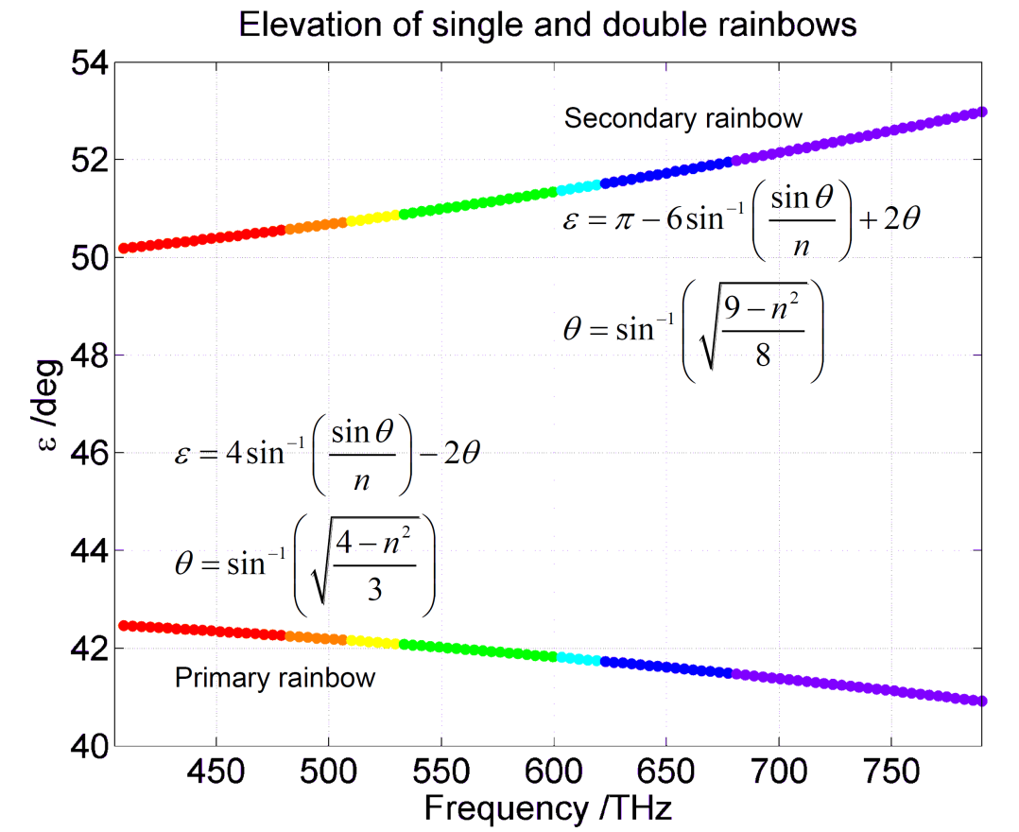
DESCARTES' MODEL OF A RAINBOW |  |  |  |  |  |  | Red | Orange | Yellow | Green | Cyan | Blue | Violet
Dr Andrew French. July 2020 |  |  |  |  |  | f/THz | 442.5 | 495 | 520 | 565 | 610 | 650 | 735
 |  |  |  |  |  | n | 1.3310 | 1.3321 | 1.3327 | 1.3338 | 1.3350 | 1.3362 | 1.3390
Light frequency /THz | Refractive index of water | Primary bow theta /deg | Primary bow elev /deg | Secondary bow theta /deg | Secondary bow elev /deg | Primary bow /rad | 1.0389 | 1.0378 | 1.0372 | 1.0361 | 1.0348 | 1.0336 | 1.0308
405 | 1.3303 | 59.57 | 42.48 | 71.93 | 50.18 | Primary elevation /deg | 42.3709 | 42.2082 | 42.1238 | 41.9606 | 41.7825 | 41.6114 | 41.2066
415 | 1.3305 | 59.56 | 42.45 | 71.92 | 50.22 | Secondary theta /rad | 1.2550 | 1.2544 | 1.2541 | 1.2534 | 1.2527 | 1.2521 | 1.2505
425 | 1.3307 | 59.55 | 42.42 | 71.92 | 50.27 | Secondary elevation /deg | 50.3631 | 50.6563 | 50.8083 | 51.1026 | 51.4238 | 51.7326 | 52.4637
435 | 1.3308 | 59.54 | 42.39 | 71.91 | 50.32
Descartes' ray model of a spherical raindrop
445 | 1.3310 | 59.52 | 42.36 | 71.91 | 50.38
455 | 1.3312 | 59.51 | 42.33 | 71.90 | 50.43
465 | 1.3315 | 59.50 | 42.30 | 71.89 | 50.48
475 | 1.3317 | 59.49 | 42.27 | 71.89 | 50.54
485 | 1.3319 | 59.48 | 42.24 | 71.88 | 50.60
495 | 1.3321 | 59.46 | 42.21 | 71.87 | 50.66
505 | 1.3323 | 59.45 | 42.17 | 71.86 | 50.72
515 | 1.3326 | 59.44 | 42.14 | 71.86 | 50.78
525 | 1.3328 | 59.42 | 42.11 | 71.85 | 50.84
535 | 1.3330 | 59.41 | 42.07 | 71.84 | 50.90
545 | 1.3333 | 59.39 | 42.03 | 71.83 | 50.97
555 | 1.3336 | 59.38 | 42.00 | 71.82 | 51.03
Refractive index (n) of water vs frequency
565 | 1.3338 | 59.36 | 41.96 | 71.82 | 51.10
575 | 1.3341 | 59.35 | 41.92 | 71.81 | 51.17
585 | 1.3343 | 59.33 | 41.88 | 71.80 | 51.24
595 | 1.3346 | 59.32 | 41.84 | 71.79 | 51.31
605 | 1.3349 | 59.30 | 41.80 | 71.78 | 51.39
615 | 1.3352 | 59.28 | 41.76 | 71.77 | 51.46
625 | 1.3355 | 59.27 | 41.72 | 71.76 | 51.54
635 | 1.3358 | 59.25 | 41.68 | 71.75 | 51.61
645 | 1.3361 | 59.23 | 41.63 | 71.74 | 51.69
655 | 1.3364 | 59.21 | 41.59 | 71.73 | 51.77
665 | 1.3367 | 59.20 | 41.54 | 71.72 | 51.85
675 | 1.3370 | 59.18 | 41.50 | 71.71 | 51.94
685 | 1.3373 | 59.16 | 41.45 | 71.70 | 52.02
695 | 1.3377 | 59.14 | 41.40 | 71.69 | 52.11
705 | 1.3380 | 59.12 | 41.36 | 71.68 | 52.19
715 | 1.3383 | 59.10 | 41.31 | 71.67 | 52.28
725 | 1.3387 | 59.08 | 41.26 | 71.66 | 52.37
735 | 1.3390 | 59.06 | 41.21 | 71.65 | 52.46
745 | 1.3394 | 59.04 | 41.16 | 71.64 | 52.56
755 | 1.3398 | 59.02 | 41.10 | 71.62 | 52.65
765 | 1.3401 | 59.00 | 41.05 | 71.61 | 52.75
775 | 1.3405 | 58.97 | 41.00 | 71.60 | 52.84
785 | 1.3409 | 58.95 | 40.94 | 71.59 | 52.94
795 | 1.3413 | 58.93 | 40.89 | 71.58 | 53.04

